Instructions
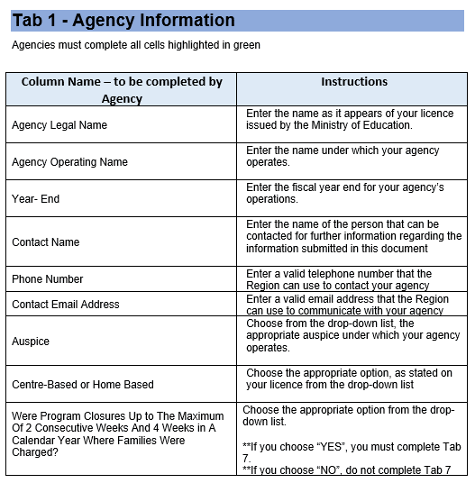
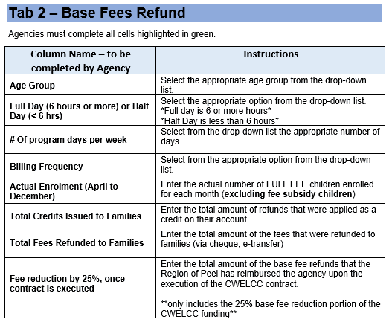
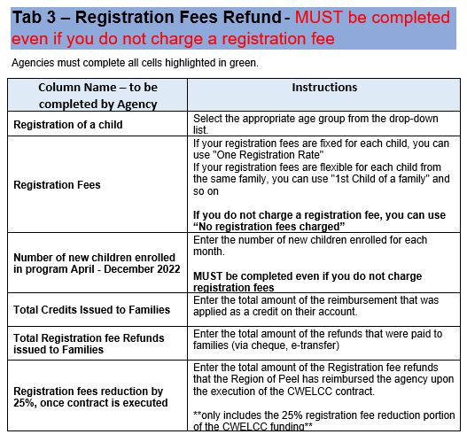
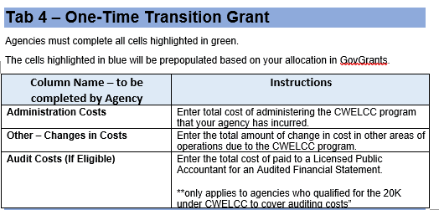
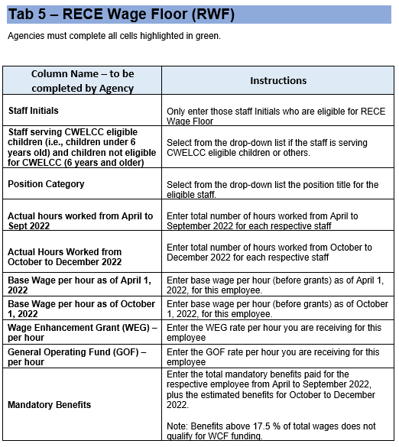
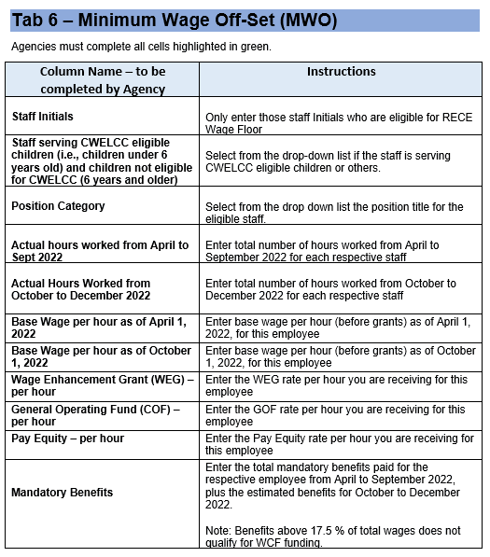
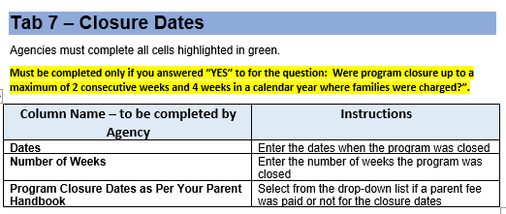
Canada-Wide Early Learning and Child Care 2022 CWELCC Reconciliation April 1, 2022 to December 31, 2022 Instructions to complete this template

Cells highlighted in different colours to indicate if they are to be filled by provider, prepopulated by Region or to be left blank

Cells highlighted in green colour are to be filled in by provider

Cells highlighted in white colour are prepopulated and are not to be filled in by provider

Cells highlighted in dark grey colour should be blank, don’t input any numbers on those cells

